1. Title Page
Grocery Basket Analysis

Project Name: Grocery Basket Analysis
Date: 05.08.2023
Analyst Name: Geetika Garimella

Contents:
Population Flow
Consistency checks
Wrangling steps
Column derivations
Visualizations
Recommendations

2. Population Flow
 |  |  | Title page

Population flow

Exclusion flag
Condition: max_order < 5
Obervations to be removed: 1,441,548
Final total count of order_products_all: 30,992,664

Orders_products_combined
Orders_products_merged
Orders_products_all

Total:
Total:
Total:
32,434,489 | 32,434,212 | 32,434,212

1.) The grey boxes in the first row of the population flow represent the original data sets as they were when you downloaded them. In the Total fields you need to add the count of the rows when you imported the data set into Jupyter.
2.) The second row of boxes (coloured) represents the data sets after you manipulated them, e.g., removed missing values and duplicates. In the Total fields you need to add the count of the rows after conducting these operations. This offers a visual oveview of how the data flows throughout the data consistency checks.
3.) The third row, where also the arrows are coloured, represents the merges you performed between the datasets. In the Total fields you need to add the count of the rows in the merged datasets, so that you end up with the final dataset (in the red box). Keep in mind the final dataset should be without exclusions (based on the exclusion flag).

3. Consistency checks
 |  |  |  | Title page
Consistency checks

Dataset | Missing values | Missing values treatment | Duplicates
orders | 206209 missing values in the days_since_prior_order. The corresponding order_number is 1 | This is as expected because, there will be no orders before the very first order. Therefore, no action was taken
products | 16 observations with missing product_name. | Observations removed from the analysis. | 5 duplicates rows found. They were removed from the analysis.
orders_products_prior
customers | 11259 observations do not have first names | All the other information for these observations, especially User_id and Surname are available. Therefore, these rows have not been modified in anyway

4. Wrangling steps
 |  |  |  | Title page
Wrangling steps

Columns dropped | Columns renamed | Columns' type changed | Comment/Reason
From the orders data set, the eval_set column has been dropped | From the orders data set, order_dow has been renamed to orders_day_of_week
 | In the customer data set, the following column names have been changed Surname -> surname n_dependents -> number_of_dependents fam_status -> marital_status | In customer dataset, the data type of the date_joined column has been changed from object to date

5. Column derivations
 |  |  |  | Title page

Column derivations and aggregations

In this tab you should add tables below that the frequences of flags/label variables that you produced after deriving them. NB: don't do this for continuous variables, only for flags.
Dataset | New column | Column/s it was derived from | Conditions
ords_prods_merge | busiest_day | orders_day_of_week | Sunday is the Busiest day Thursday is the Least busy Rest are Regularly busy
ords_prods_merge | busiest_day_2 | orders_day_of_week | Sunday and Monday are the Busiest days Saturday, Tuesday and Friday are Regular days Wednesday and Thursday are Slowest days
ords_prods_merge | busiest_hour | order_hour_of_day | 9 AM to 4 PM have been labeled "Busiest hours" 7-8 AM and 5-10 PM have been labeled "Regular hours" The rest are labeled "Slowest hours"
ords_prods_merge | max_order | user_id order_number
ords_prods_merge | loyalty_flag | max_order | If max_order > 40, then the customer flagged as a Loyal customer If 10 < max_order <= 40, then the customer is flagged as Regular customer If max_order <= 10, then the customer is flagged as New customer
ords_prods_merge | mean_price_of_products | user_id prices
ords_prods_merge | spending_flag | mean_price_of_products | If the mean_price_of_products < 10, the customer is flagged as Low spender If the mean_price_of_products >= 10, then the customer is flagged as High spender
ords_prods_merge | median_days_since_prior_order | user_id days_since_prior_order
ords_prods_merge | Regularity_of_customer | median_days_since_prior_order | If median_days_since_prior_order > 20, then the customer is flagged as Non-frequent customer If 10 < median_days_since_prior_order <= 20, then the customer is flagged as Regular customer If median_days_since_prior_order <= 10, then the customer is flagged as Frequent customer
ords_prods_all | Region | state | The US states are categorised in to 4 regions
ords_prods_all | Exclusion_flag | max_order | If max_order < 5, then the customer is low-activity customer If max_order >= 5, then the customer is high-activity customer
ords_prods_high2 | age_group | age | If age <= 35, then the customer is a young adult If 35 < age <= 60, then the customer is middle aged If age > 60, then the customer is senior citizen
ords_prods_high2 | income_group | income | If income <= 70,000 USD, the customer is low income If 70,000 USD < income <= 100,000 USD, the customer is moderate income If 100,000 USD < income <= 130,000 USD, the customer is high income If income > 130,000 USD, the customer is ultra high income
ords_prods_high2 | dependent_status | number_of_dependents | If number_of_dependents = 0, then customer no dependents If number_of_dependents > 0, then customer has dependents

6. VisualizationRecommendation
 |  |  | Title page

Visualisations

In this tab you should include all the visualtions from Exercises 4.9 and 4.10, alongside the questions from the project brief that they answer. Include any commentary on the relationship between different variables.

Key Questions

The sales team needs to know what the busiest days of the week and hours of the day are (i.e., the days and times with the most orders) in order to schedule ads at times when there are fewer orders.



 | Frequency of orders per days of a week | Frequency of orders per hours of a day

Interpretation
The busiest day of the week is Sunday. The number of orders keep decreasing reaching a minimum on Thursday and then continue to rise till Sunday.
The highest number of orders occur between 9 AM and 4 PM.
Recommendations
Therefore, the schedule should include a higher number of ads during the evening, especially in the middle of the week.

They also want to know whether there are particular times of the day when people spend the most money, as this might inform the type of products they advertise at these times.

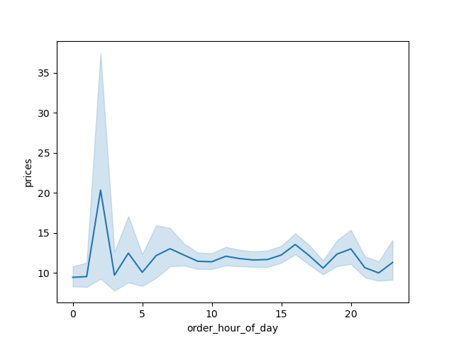
 |  | Interpretation
 |  | It looks like the most expensive products are purchased between 1 AM and 3 AM. There spending patterns through out the rest of the day are more or less similar.
 |  | It is interesting to note that during the peak business hours (10AM to 4PM), the prices of items purchased is not very extravagent.

 |  | Recommendations
 |  | More expensive products could be advertised after, perhaps, 9 PM

 | Difference in expenditure depending on the hour of the day

Instacart has a lot of products with different price tags. Marketing and sales want to use simpler price range groupings to help direct their efforts

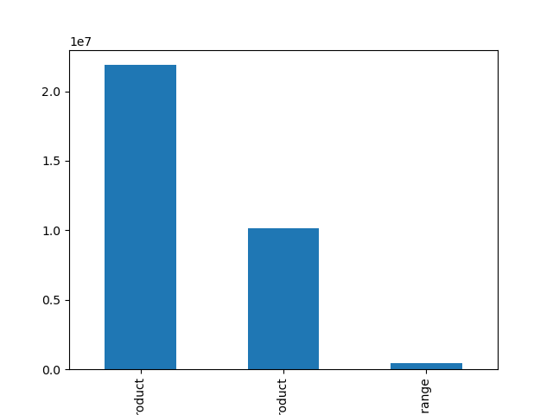
 |  | Notes
 |  | Products with prices <= 5 are low-range products
 |  | Products with 5 < prices <= 15 are mid-range products
 |  | Products with prices > 15 are high range

 |  | There are a lot of mid-range products followed by low-range products. There are very few high range products

 | Bar chart of the simpler price range groupings

Are there certain types of products that are more popular than others? The marketing and sales teams want to know which departments have the highest frequency of product orders

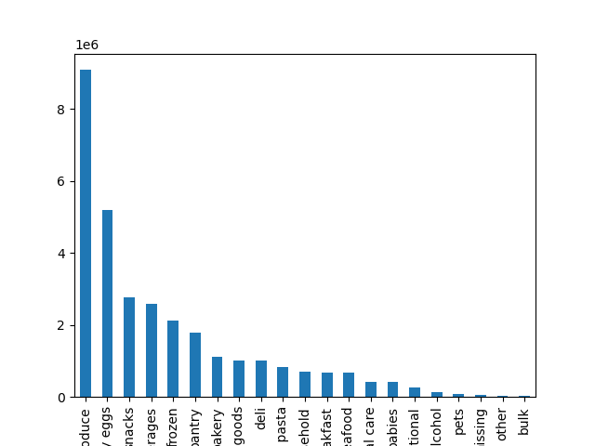
 |  | Notes
 |  | The top five types of products are - produce, dairy eggs, snacks, beverages and frozen

 |  | Recommendations

 | Popularity of various products

The marketing and sales teams are particularly interested in the different types of customers in their system and how their ordering behaviours differ. For example:

- What's the distribution among users in regards to their brand loyalty (i.e., how often do they return to Instacart)?

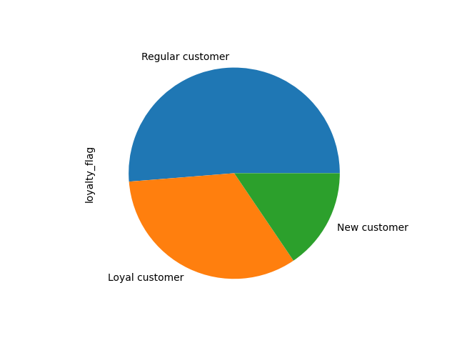
 |  | Notes
 |  | Loyal customers make up about 33% of the total customers
 |  | Regular customers make up about 51% of the total customers
 |  | New customers make about 16% of the total customers

 |  | Recommendations
 |  | Regular customers amount to slightly more than 50%. Instacart has already gained some trust in these cases. Targeted marketing to this demographic is advised

 | Pie chart of customer loyalty

- Are there differences in ordering habits based on a customer's loyalty status?

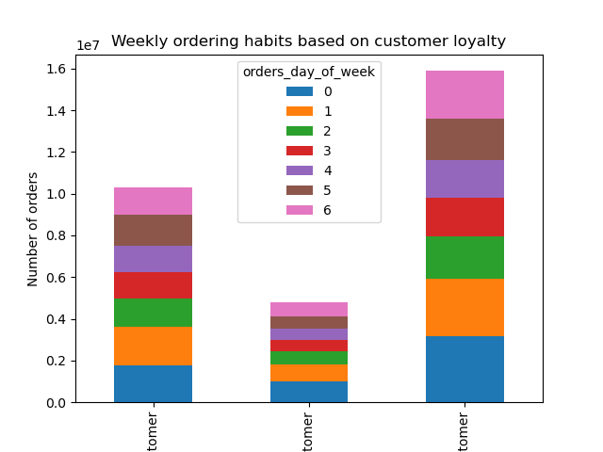
 |  | Notes
 |  | We already know that Sunday are the busiest days and the customer purchases decrease as the week progresses and increase towards the weekend.
 |  | Customer loyalty does not seem to be affecting the frequency of orders. This could be because customers could be busy during the weekdays and have more free time during the weekends

 |  | Recommendations
 |  | The advertising schedule should include more ads during the middle of the week

 | Weekly ordering habits based on customer loyalty

- Are there differences in ordering habits based on a customer's region?

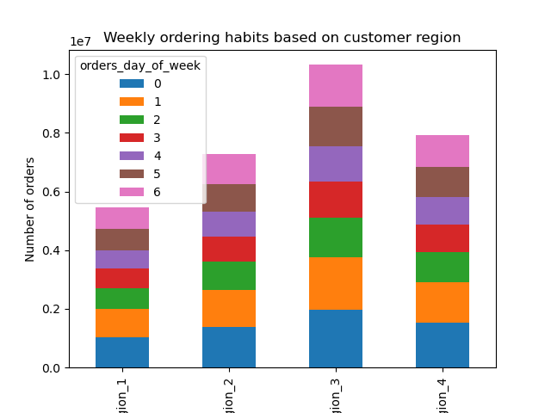
 |  | Notes
 |  | Instacart has the maximum number of orders in Region_3.
 |  | Regions 2 and 4 are similar in the number of orders.
 |  | Region 1 has the least number of orders

 |  | Recommendations
 |  | More advertising should be done in Region_1

- Is there a connection between age and family status in terms of ordering habits?

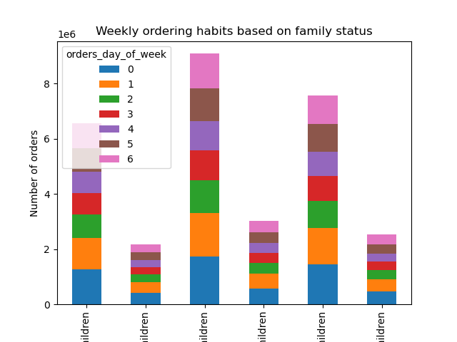
 |  | Notes
 |  | Families with children place more orders than families without children
 |  | The total number of orders placed by families with children in mor than double the total number of orders placed by families without children
 |  | When looking at age, middle aged people order the most. Senior citizens come next and Young adults come last.

 |  | Recommendations
 |  | More advertising should be targeted towards families without children

 | Ordering habits based on customer family status

- What different classifications does the demographic information suggest? Age? Income? Certain types of goods? family status?

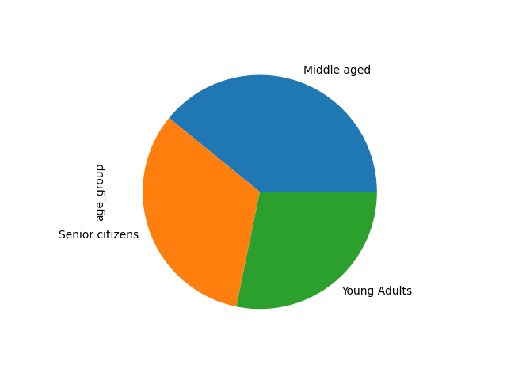
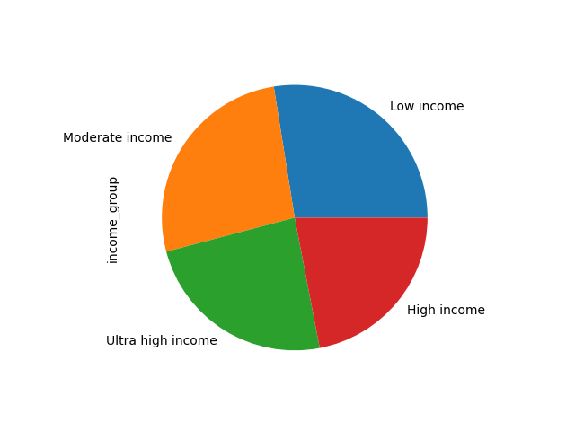
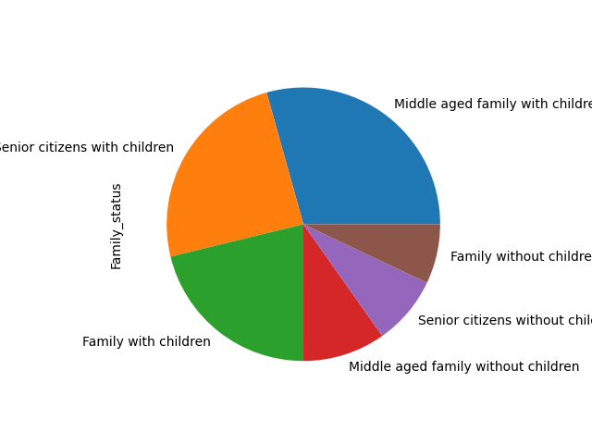

 | Notes
 | Of all the four categories, departments and family status are the two factors that have a high impact on the number of orders.

